Sheet1
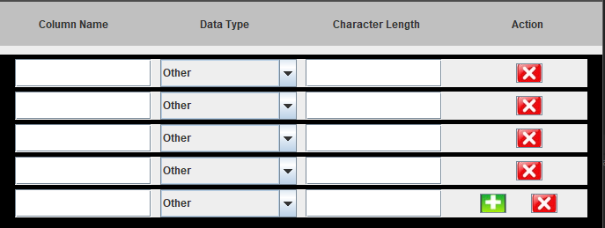

Making a JScrollPane automatically scroll all the way down when we have more line

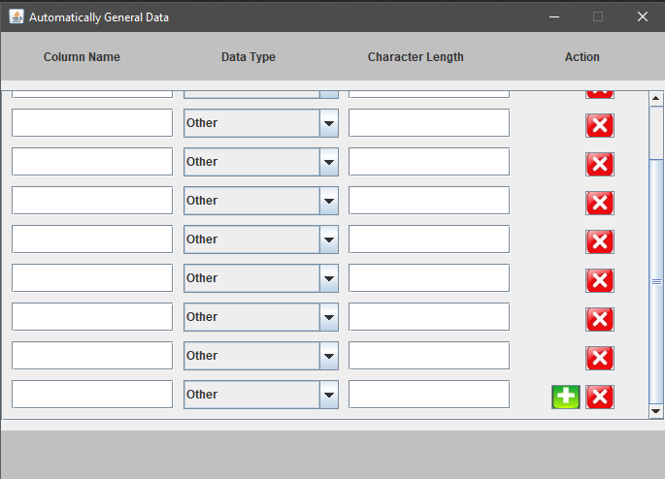

maximum scroll

